3-96w_Platemap_Inner60
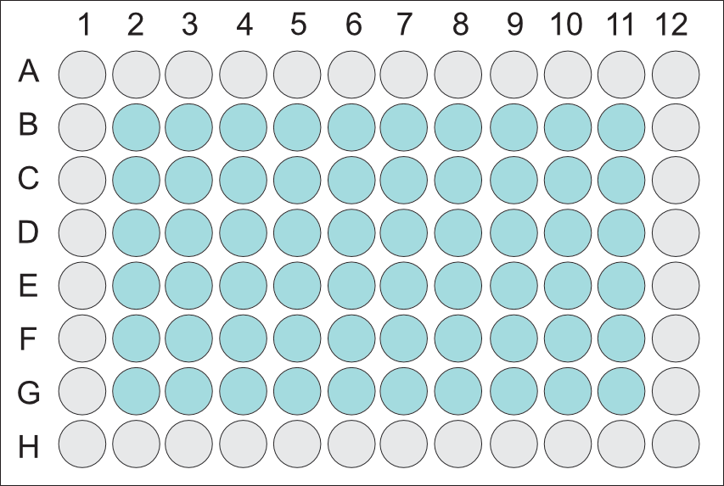
A) Inner60 Diagram: | Enter Plate_1 Identifiers |  |  | Enter Plate_2 Identifiers |  |  | Enter Plate_3 Identifiers |  |  | Enter Plate_4 Identifiers
 | Row | Column | Unique Identifier | Row | Column | Unique Identifier | Row | Column | Unique Identifier | Row | Column | Unique Identifier
 | A | 1 |  | A | 1 |  | A | 1 |  | A | 1
 | B | 1 |  | B | 1 |  | B | 1 |  | B | 1
 | C | 1 |  | C | 1 |  | C | 1 |  | C | 1
 | D | 1 |  | D | 1 |  | D | 1 |  | D | 1
 | E | 1 |  | E | 1 |  | E | 1 |  | E | 1
 | F | 1 |  | F | 1 |  | F | 1 |  | F | 1
 | G | 1 |  | G | 1 |  | G | 1 |  | G | 1
 | H | 1 |  | H | 1 |  | H | 1 |  | H | 1
 | A | 2 |  | A | 2 |  | A | 2 |  | A | 2
 | B | 2 | 1 | B | 2 |  | B | 2 |  | B | 2
 | C | 2 | 2 | C | 2 |  | C | 2 |  | C | 2
 | D | 2 | 3 | D | 2 |  | D | 2 |  | D | 2
B) Add 'Unique Identifier' from Sheet 2 in the appropriate BLUE cell corresponding to the correct row and column of each plate. | E | 2 | 4 | E | 2 |  | E | 2 |  | E | 2
 | F | 2 | 5 | F | 2 |  | F | 2 |  | F | 2
 | G | 2 | 6 | G | 2 |  | G | 2 |  | G | 2
 | H | 2 |  | H | 2 |  | H | 2 |  | H | 2
C) Templates to write in 'Unique Identifier' are provided for up to 4 plates. If you plan to send additional plates, please copy/paste the three columns per plate and use a new plate ID (ex: Plate_5, Plate_6, etc.). | A | 3 |  | A | 3 |  | A | 3 |  | A | 3
 | B | 3 | 7 | B | 3 |  | B | 3 |  | B | 3
 | C | 3 | 12 | C | 3 |  | C | 3 |  | C | 3
 | D | 3 | 13 | D | 3 |  | D | 3 |  | D | 3
 | E | 3 | 14 | E | 3 |  | E | 3 |  | E | 3
 | F | 3 | 15 | F | 3 |  | F | 3 |  | F | 3
 | G | 3 | 16 | G | 3 |  | G | 3 |  | G | 3
 | H | 3 |  | H | 3 |  | H | 3 |  | H | 3
 | A | 4 |  | A | 4 |  | A | 4 |  | A | 4
 | B | 4 | 17 | B | 4 |  | B | 4 |  | B | 4
 | C | 4 | 18 | C | 4 |  | C | 4 |  | C | 4
 | D | 4 | 20 | D | 4 |  | D | 4 |  | D | 4
 | E | 4 | 21 | E | 4 |  | E | 4 |  | E | 4
 | F | 4 | 22 | F | 4 |  | F | 4 |  | F | 4
 | G | 4 | 23 | G | 4 |  | G | 4 |  | G | 4
 | H | 4 |  | H | 4 |  | H | 4 |  | H | 4
 | A | 5 |  | A | 5 |  | A | 5 |  | A | 5
 | B | 5 | 24 | B | 5 |  | B | 5 |  | B | 5
 | C | 5 | 26 | C | 5 |  | C | 5 |  | C | 5
 | D | 5 | 27 | D | 5 |  | D | 5 |  | D | 5
 | E | 5 | 28 | E | 5 |  | E | 5 |  | E | 5
 | F | 5 | 29 | F | 5 |  | F | 5 |  | F | 5
 | G | 5 | 30 | G | 5 |  | G | 5 |  | G | 5
 | H | 5 |  | H | 5 |  | H | 5 |  | H | 5
 | A | 6 |  | A | 6 |  | A | 6 |  | A | 6
 | B | 6 | 31 | B | 6 |  | B | 6 |  | B | 6
 | C | 6 | 32 | C | 6 |  | C | 6 |  | C | 6
 | D | 6 | 33 | D | 6 |  | D | 6 |  | D | 6
 | E | 6 | 34 | E | 6 |  | E | 6 |  | E | 6
 | F | 6 | 35 | F | 6 |  | F | 6 |  | F | 6
 | G | 6 | 36 | G | 6 |  | G | 6 |  | G | 6
 | H | 6 |  | H | 6 |  | H | 6 |  | H | 6
 | A | 7 |  | A | 7 |  | A | 7 |  | A | 7
 | B | 7 | 37 | B | 7 |  | B | 7 |  | B | 7
 | C | 7 | 38 | C | 7 |  | C | 7 |  | C | 7
 | D | 7 | 39 | D | 7 |  | D | 7 |  | D | 7
 | E | 7 | 40 | E | 7 |  | E | 7 |  | E | 7
 | F | 7 | 42 | F | 7 |  | F | 7 |  | F | 7
 | G | 7 | 43 | G | 7 |  | G | 7 |  | G | 7
 | H | 7 |  | H | 7 |  | H | 7 |  | H | 7
 | A | 8 |  | A | 8 |  | A | 8 |  | A | 8
 | B | 8 | 44 | B | 8 |  | B | 8 |  | B | 8
 | C | 8 | 45 | C | 8 |  | C | 8 |  | C | 8
 | D | 8 | 47 | D | 8 |  | D | 8 |  | D | 8
 | E | 8 | 48 | E | 8 |  | E | 8 |  | E | 8
 | F | 8 | 50 | F | 8 |  | F | 8 |  | F | 8
 | G | 8 | 51 | G | 8 |  | G | 8 |  | G | 8
 | H | 8 |  | H | 8 |  | H | 8 |  | H | 8
 | A | 9 |  | A | 9 |  | A | 9 |  | A | 9
 | B | 9 | 52 | B | 9 |  | B | 9 |  | B | 9
 | C | 9 | 53 | C | 9 |  | C | 9 |  | C | 9
 | D | 9 | 54 | D | 9 |  | D | 9 |  | D | 9
 | E | 9 |  | E | 9 |  | E | 9 |  | E | 9
 | F | 9 |  | F | 9 |  | F | 9 |  | F | 9
 | G | 9 |  | G | 9 |  | G | 9 |  | G | 9
 | H | 9 |  | H | 9 |  | H | 9 |  | H | 9
 | A | 10 |  | A | 10 |  | A | 10 |  | A | 10
 | B | 10 |  | B | 10 |  | B | 10 |  | B | 10
 | C | 10 |  | C | 10 |  | C | 10 |  | C | 10
 | D | 10 |  | D | 10 |  | D | 10 |  | D | 10
 | E | 10 |  | E | 10 |  | E | 10 |  | E | 10
 | F | 10 |  | F | 10 |  | F | 10 |  | F | 10
 | G | 10 |  | G | 10 |  | G | 10 |  | G | 10
 | H | 10 |  | H | 10 |  | H | 10 |  | H | 10
 | A | 11 |  | A | 11 |  | A | 11 |  | A | 11
 | B | 11 |  | B | 11 |  | B | 11 |  | B | 11
 | C | 11 |  | C | 11 |  | C | 11 |  | C | 11
 | D | 11 |  | D | 11 |  | D | 11 |  | D | 11
 | E | 11 |  | E | 11 |  | E | 11 |  | E | 11
 | F | 11 |  | F | 11 |  | F | 11 |  | F | 11
 | G | 11 |  | G | 11 |  | G | 11 |  | G | 11
 | H | 11 |  | H | 11 |  | H | 11 |  | H | 11
 | A | 12 |  | A | 12 |  | A | 12 |  | A | 12
 | B | 12 |  | B | 12 |  | B | 12 |  | B | 12
 | C | 12 |  | C | 12 |  | C | 12 |  | C | 12
 | D | 12 |  | D | 12 |  | D | 12 |  | D | 12
 | E | 12 |  | E | 12 |  | E | 12 |  | E | 12
 | F | 12 |  | F | 12 |  | F | 12 |  | F | 12
 | G | 12 |  | G | 12 |  | G | 12 |  | G | 12
 | H | 12 |  | H | 12 |  | H | 12 |  | H | 12

